dMS 01001
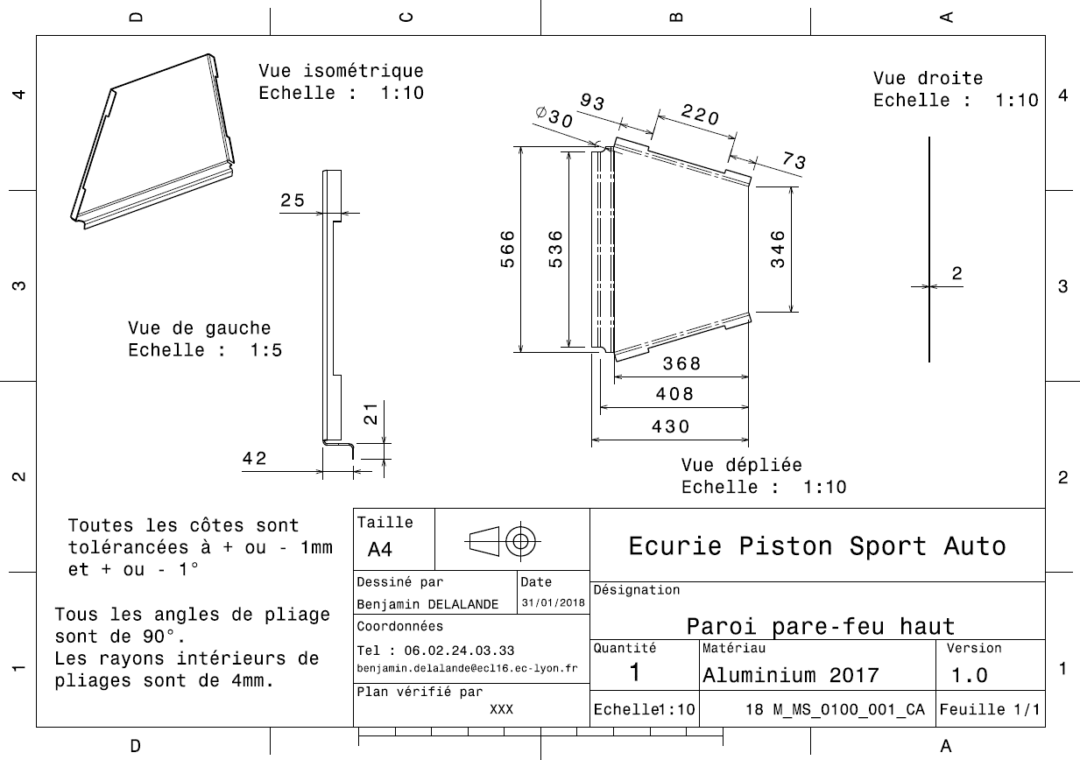
Drawing part : | MS 01001

dMS 01002
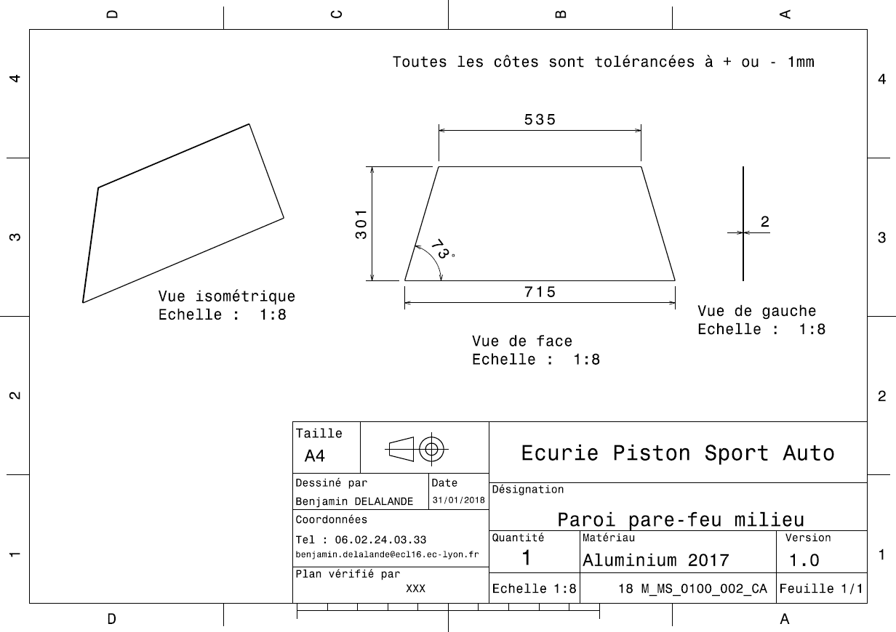
Drawing part : | MS 01002

dMS 01003
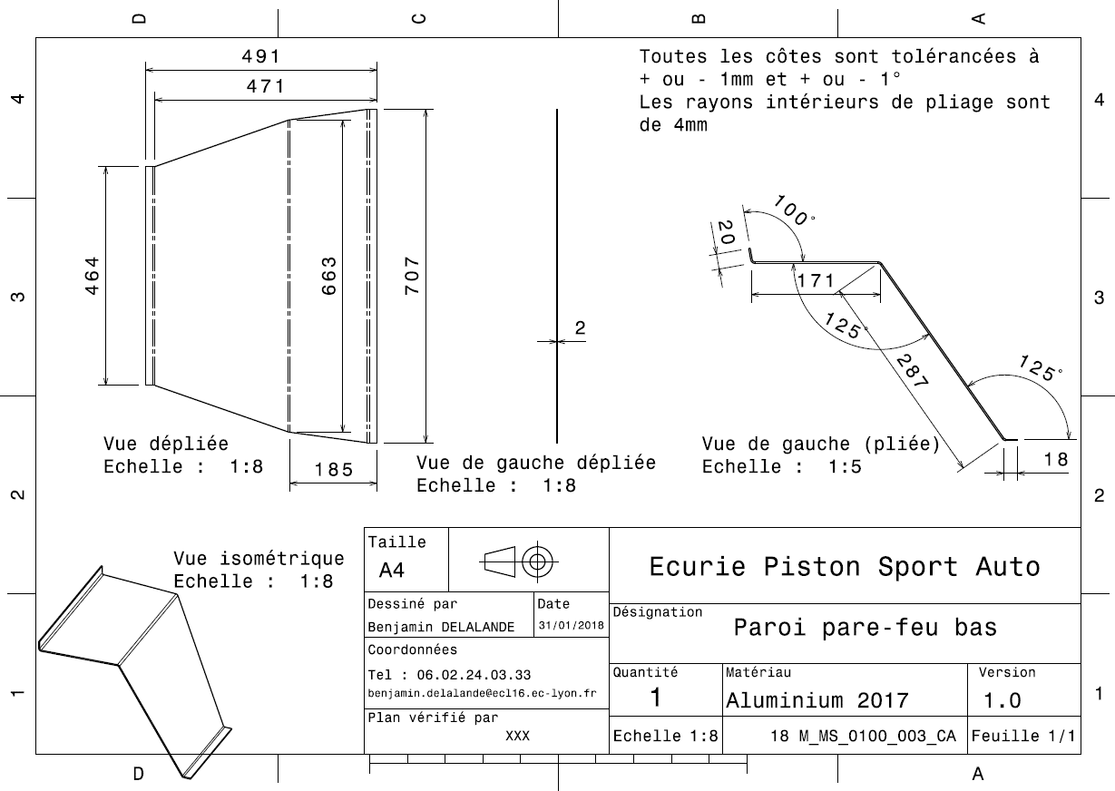
Drawing Part : | MS 01003

dMS 01004
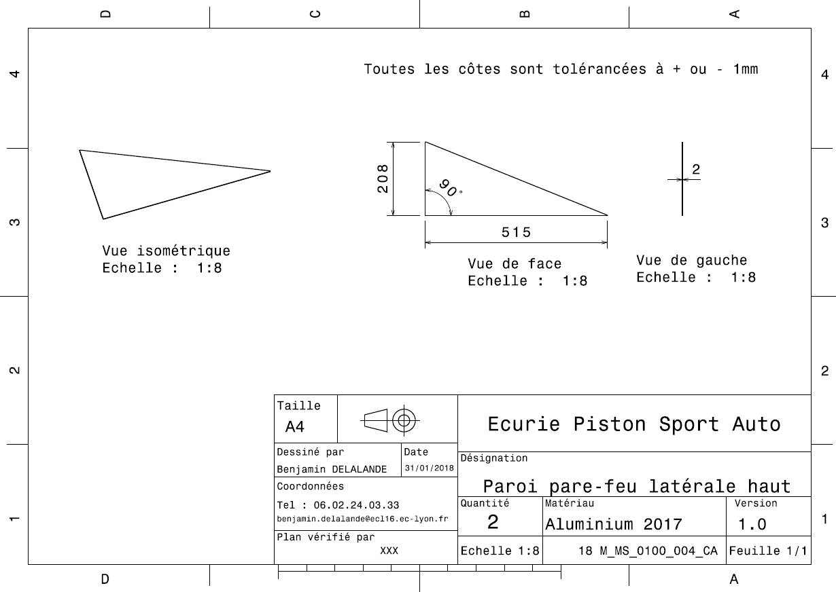
Drawing Part : | MS 01004

dMS 01005
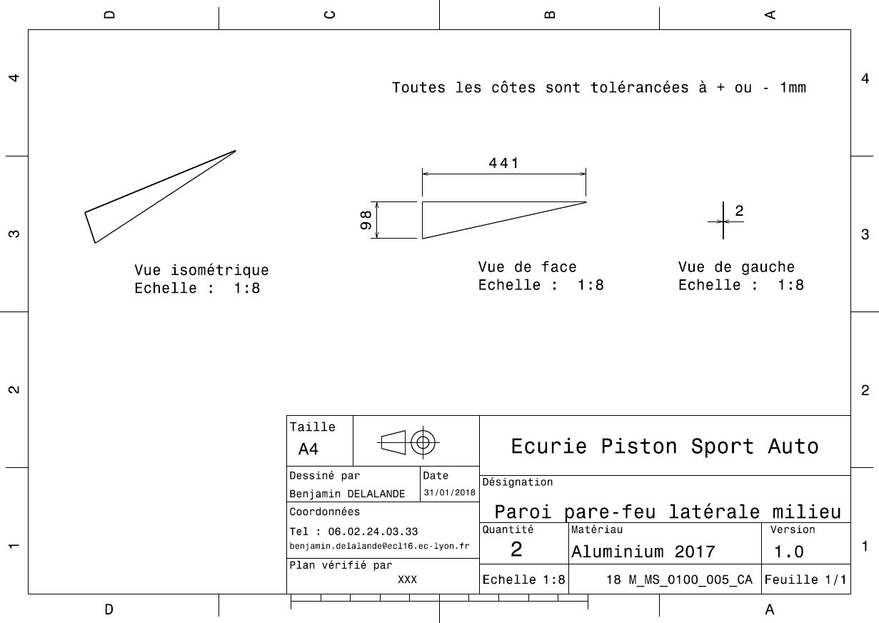
Drawing Part : | MS 01005

dMS 01006
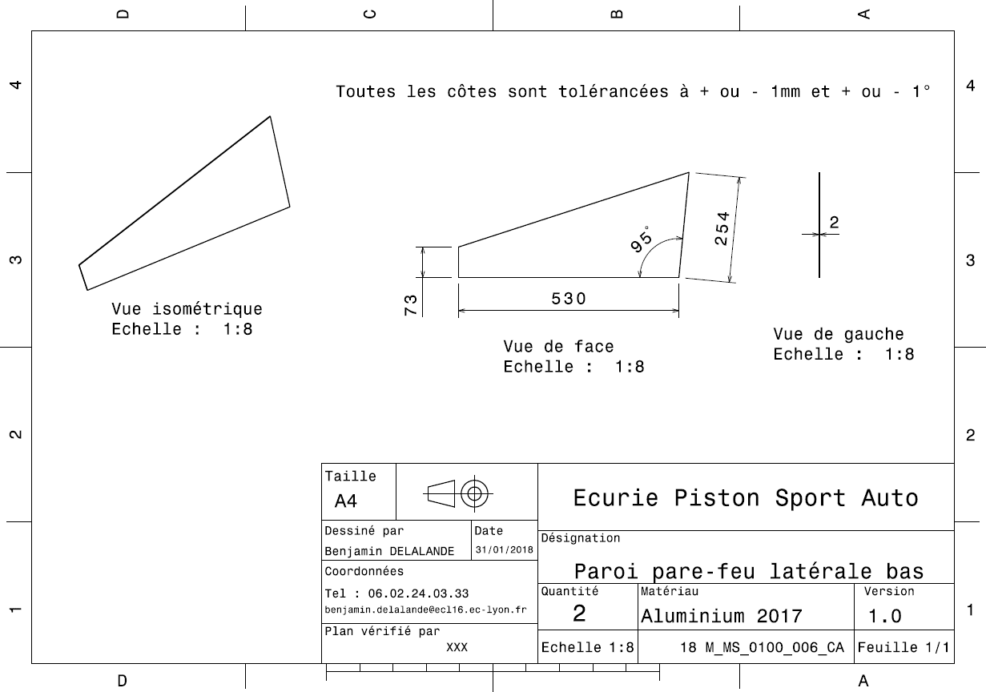
Drawing Part : | MS 01006

dMS 01007
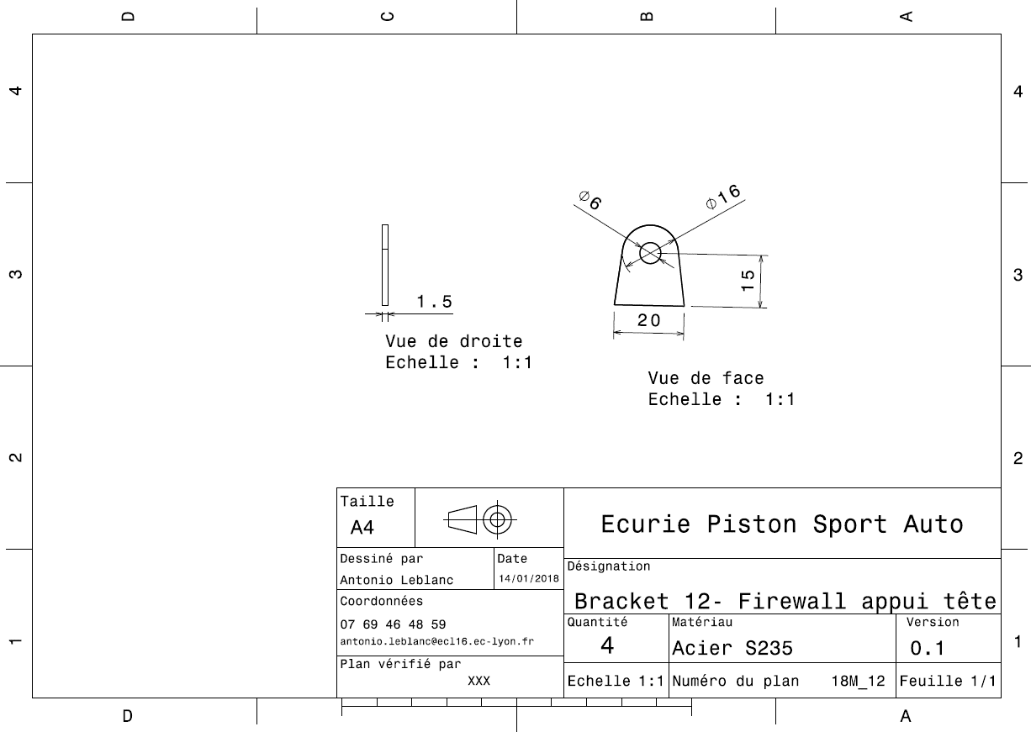
Drawing Part : | MS 01007

dMS 01008
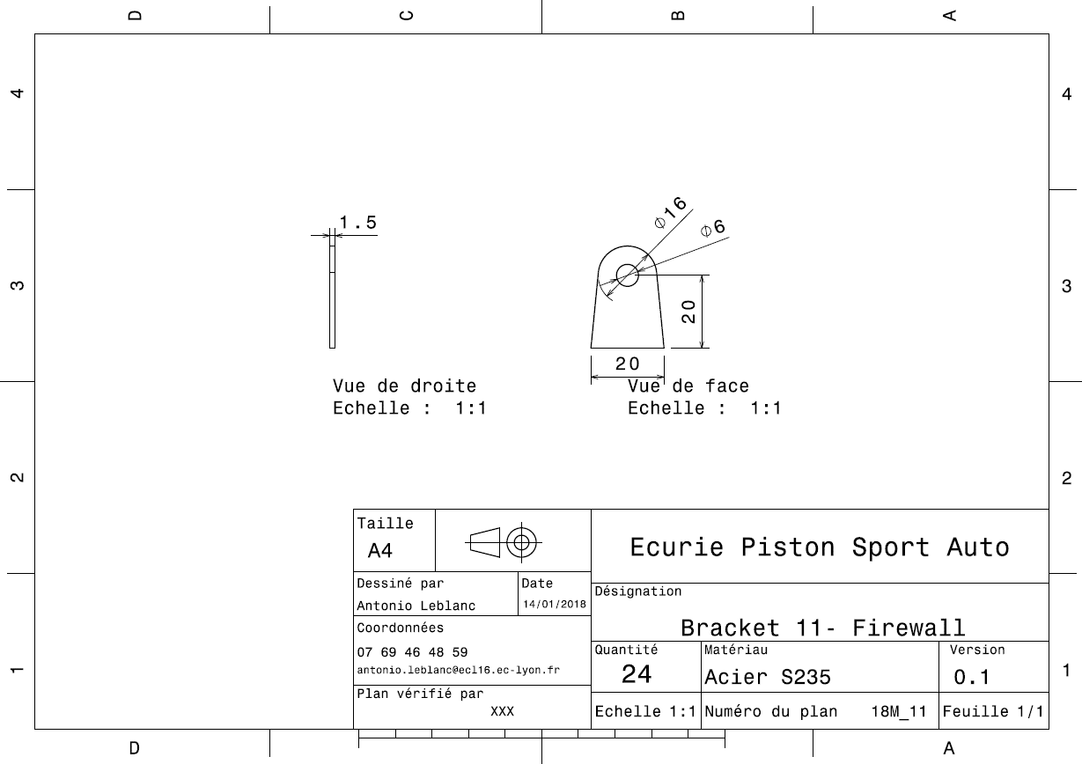
Drawing Part : | MS 01008

MS 04001
University | Ecole Centrale de Lyon |  |  |  |  | Back to BOM |  |  | Car # | 81 |  | Part Cost | $74.60
System | Miscellaneous, Finish & Assembly |  | FileLink1 |  |  |  |  |  |  |  |  | Qty | 1
Assembly | Driver's seat |  | FileLink2 |  |  |  |  |  | FileLink1
Part | Seat |  | FileLink3 |  |  |  |  |  | FileLink2 |  |  | Extended Cost | $74.60
P/N Base | MS 04001 |  |  |  |  |  |  |  | FileLink3
Suffix | AA
Details

ItemOrder | Material | Use | UnitCost | Size1 | Unit1 | Size2 | Unit2 | Area Name | Area | Length | Density | Quantity | Sub Total
10 | Glass Fiber, 1 Ply | Stock material for part | $100.00 | 0.090 | kg |  |  |  |  |  |  | 2 | $18.00
20 | Grommet, Elastomer | For harness holes | $0.05 |  | unit |  |  |  |  |  |  | 16 | $0.80
 |  |  |  |  |  |  |  |  |  |  |  | Sub Total | $18.80

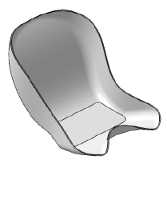
ItemOrder | Process | Use | UnitCost | Unit | Quantity | Multiplier | Mult. Val. | Sub Total
10 | Cut (scissors, knife) | Cut ply | $0.06 | cm | 190 | Repeat 2 times | 2 | $22.80
20 | Lamination, Manual |  | $35.00 | m^2 | 0.36 | Repeat 2 times | 2 | $25.20
30 | Resin application, Manual |  | $5.00 | m^2 | 0.36 | Repeat 2 times | 2 | $3.60
40 | Non-metallic cutting > 76,2 mm | Cutout seat border | $1.40 | cut | 1 |  |  | $1.40
50 | Hand Finish - Material Removal | Clean cuts | $0.20 | cm^3 | 1 |  |  | $0.20
60 | Drilled holes < 25,4 mm dia. | Cutout fixation holes | $0.35 | hole | 4 |  |  | $1.40
70 | Assemble, 1 kg, Loose | Insert gromets | $0.06 | Unit | 16 |  |  | $0.96
 |  |  |  |  |  |  | Sub Total | $54.60

ItemOrder | Tooling | Use | UnitCost | Unit | Quantity | PVF | FractionIncluded | Sub Total
10 | Lamination - Composite Tool | Lamination | $10,000.00 | m^2 | 0.36 | 3000 | 1 | $1.20
 |  |  |  |  |  |  | Sub Total | $1.20

MS 04002
University | Ecole Centrale de Lyon |  |  |  |  | Back to BOM |  |  | Car # | 81 |  | Part Cost | $1.32
System | Miscellaneous, Finish & Assembly |  | FileLink1 | Drawing |  |  |  |  |  |  |  | Qty | 2
Assembly | Driver's seat |  | FileLink2 |  |  |  |  |  | FileLink1
Part | Rear seat bracket |  | FileLink3 |  |  |  |  |  | FileLink2 |  |  | Extended Cost | $2.65
P/N Base | MS 04002 |  |  |  |  |  |  |  | FileLink3
Suffix | AA
Details

ItemOrder | Material | Use | UnitCost | Size1 | Unit1 | Size2 | Unit2 | Area Name | Area | Length | Density | Quantity | Sub Total
10 | Steel, Mild | Stock material for part | $2.25 | 6.10E-03 | kg |  |  |  |  |  |  | 1 | $0.01
 |  |  |  |  |  |  |  |  |  |  |  | Sub Total | $0.01

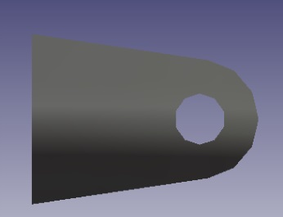
ItemOrder | Process | Use | UnitCost | Unit | Quantity | Multiplier | Mult. Val. | Sub Total
10 | Machining Setup, Install and remove | Setup for laser cutting | $1.30 | unit | 1 | 2 parts with one machine setup | 0.5 | $0.65
20 | Laser Cut | Cutout shape | $0.01 | cm | 22 | Material - Steel | 3 | $0.66
 |  |  |  |  |  |  | Sub Total | $1.31

dMS 04002
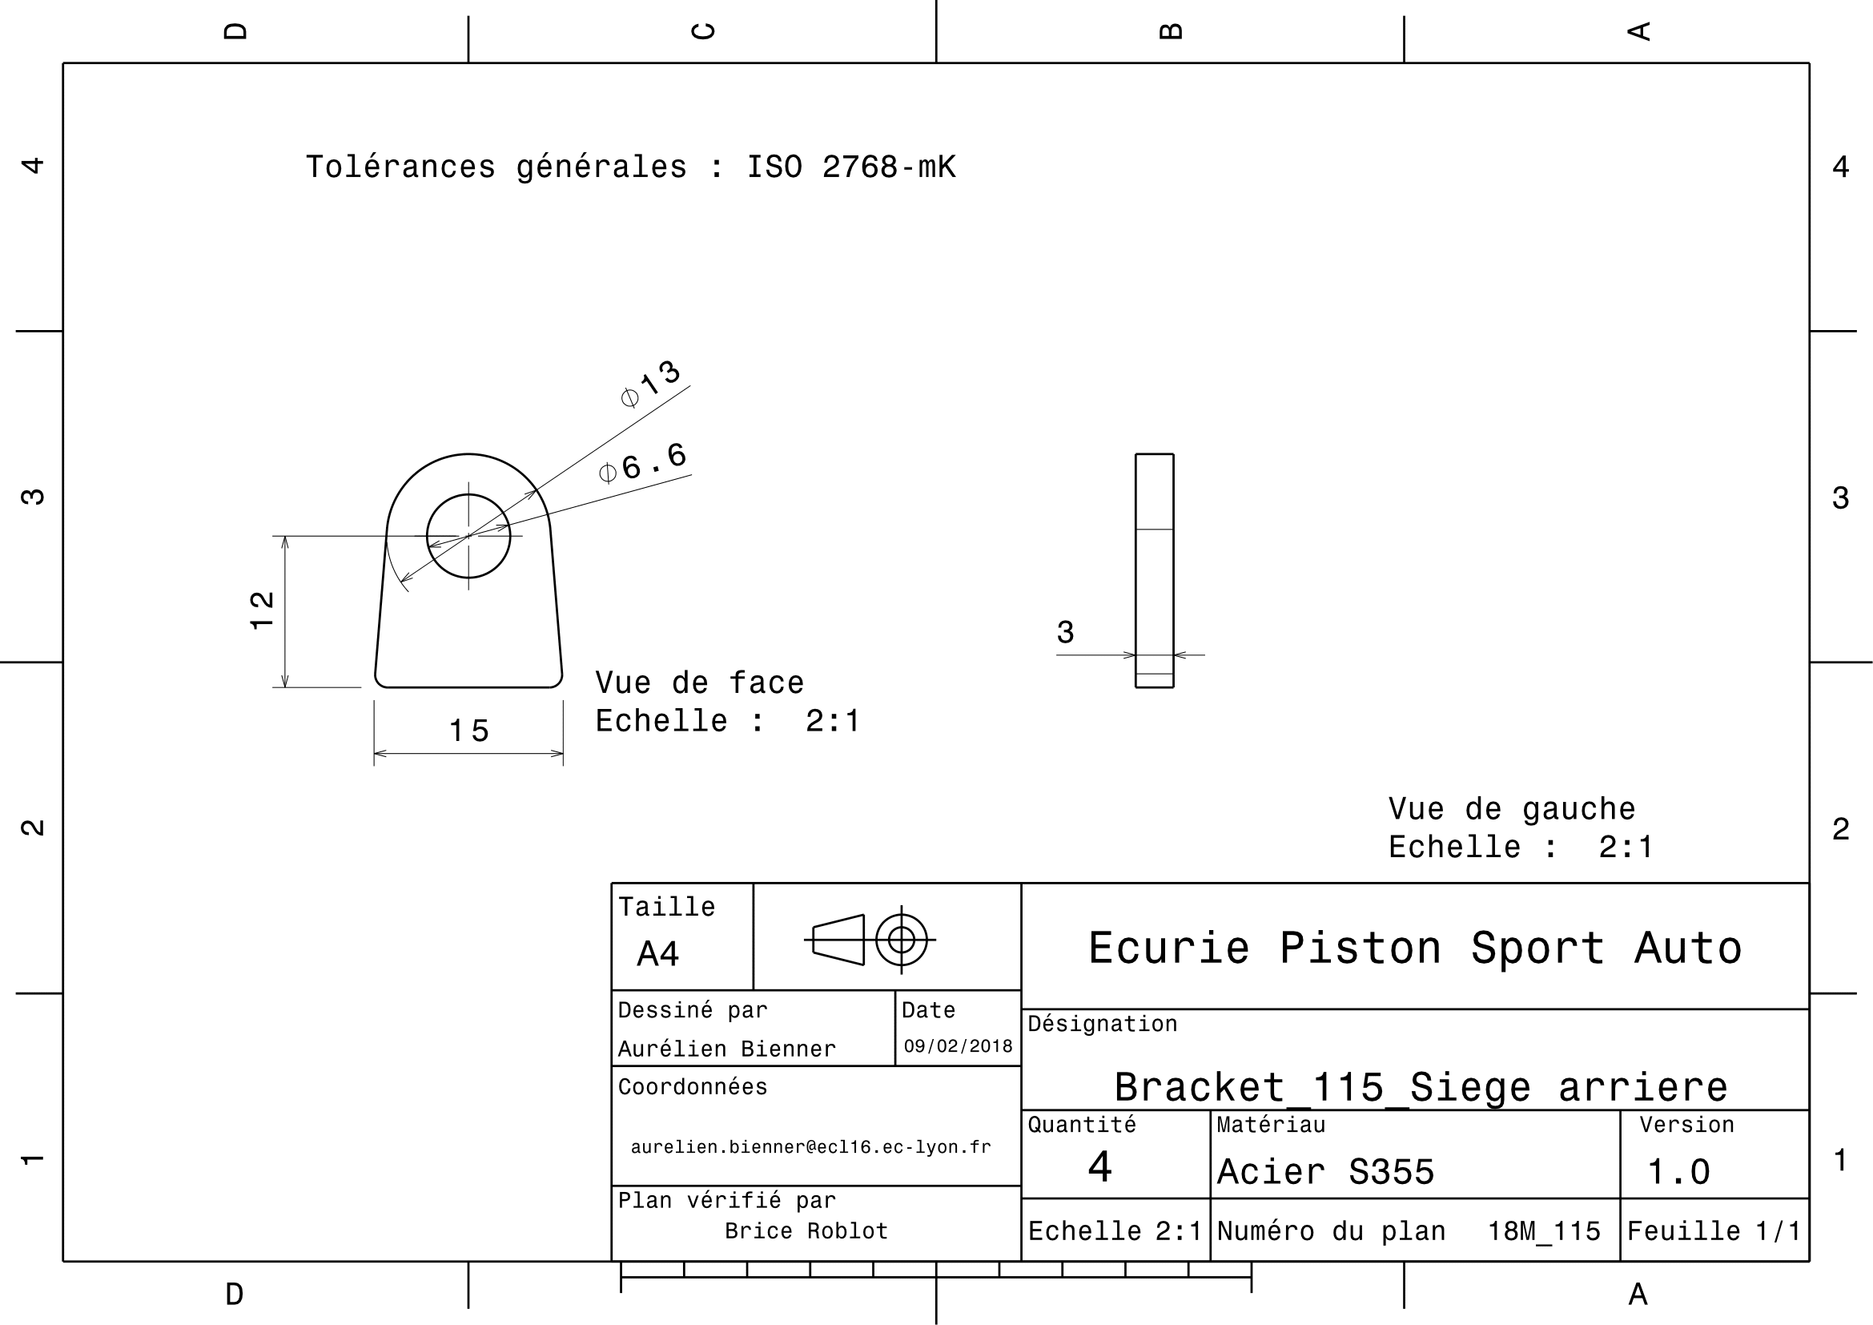
Drawing Part : | MS 04002

MS 04003
University | Ecole Centrale de Lyon |  |  |  |  | Back to BOM |  |  | Car # | 81 |  | Part Cost | $1.19
System | Miscellaneous, Finish & Assembly |  | FileLink1 | Drawing |  |  |  |  |  |  |  | Qty | 2
Assembly | Driver's seat |  | FileLink2 |  |  |  |  |  | FileLink1
Part | Front seat bracket |  | FileLink3 |  |  |  |  |  | FileLink2 |  |  | Extended Cost | $2.37
P/N Base | MS 04003 |  |  |  |  |  |  |  | FileLink3
Suffix | AA
Details

ItemOrder | Material | Use | UnitCost | Size1 | Unit1 | Size2 | Unit2 | Area Name | Area | Length | Density | Quantity | Sub Total
10 | Steel, Mild | Stock material for part | $2.25 | 8.50E-03 | kg |  |  |  |  |  |  | 1 | $0.02
 |  |  |  |  |  |  |  |  |  |  |  | Sub Total | $0.02
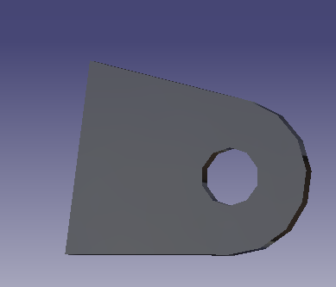

ItemOrder | Process | Use | UnitCost | Unit | Quantity | Multiplier | Mult. Val. | Sub Total
10 | Machining Setup, Install and remove | Setup for laser cutting | $1.30 | unit | 1 | 2 parts with one machine setup | 0.5 | $0.65
20 | Laser Cut | Cutout shape | $0.01 | cm | 17 | Material - Steel | 3 | $0.52
 |  |  |  |  |  |  | Sub Total | $1.17

dMS 04003
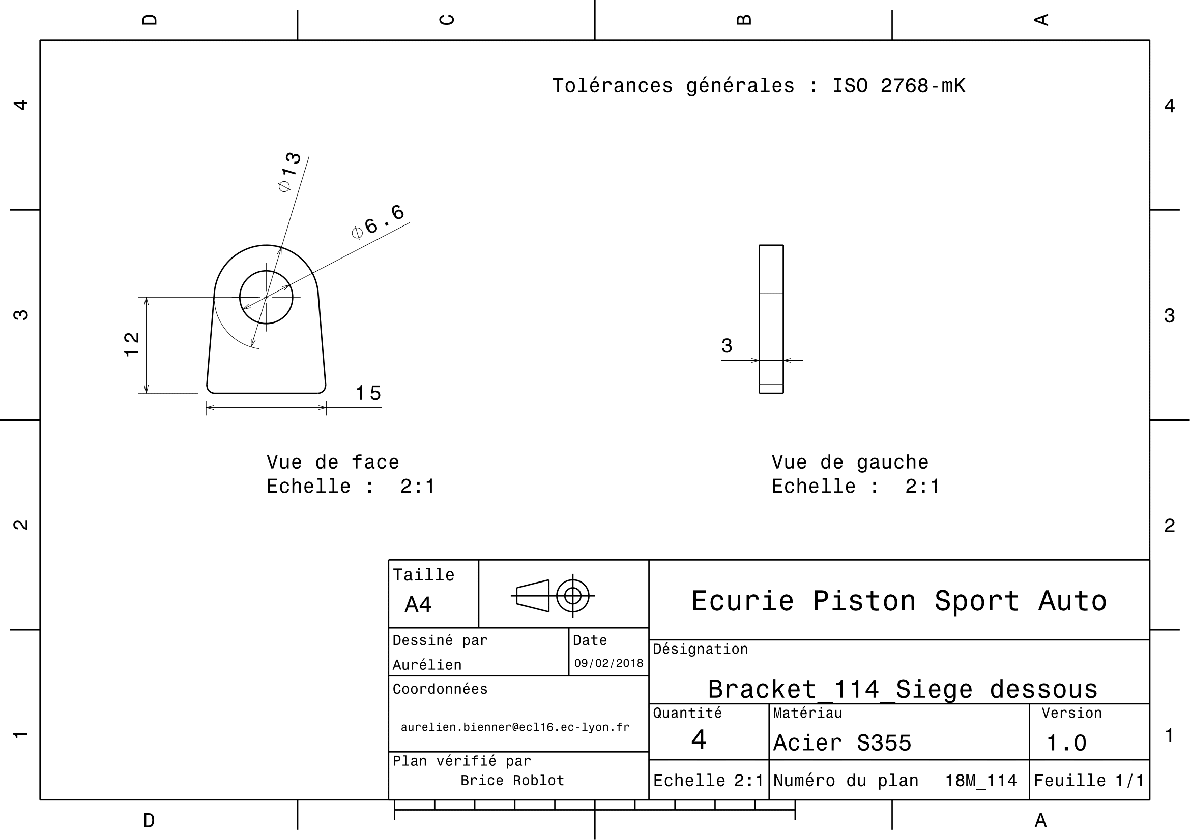
Drawing Part : | MS 04003

MS 05001
University | Ecole Centrale de Lyon |  |  |  |  | Back to BOM |  |  | Car # | 81 |  | Part Cost | $1.25
System | Miscellaneous, Finish & Assembly |  | FileLink1 | Drawing |  |  |  |  |  |  |  | Qty | 2
Assembly | Harness |  | FileLink2 |  |  |  |  |  | FileLink1
Part | Harness bracket |  | FileLink3 |  |  |  |  |  | FileLink2 |  |  | Extended Cost | $2.50
P/N Base | MS 05001 |  |  |  |  |  |  |  | FileLink3
Suffix | AA
Details | Same plan as in 2017

ItemOrder | Material | Use | UnitCost | Size1 | Unit1 | Size2 | Unit2 | Area Name | Area | Length | Density | Quantity | Sub Total
10 | Steel, Mild | Stock material for part | $2.25 | 0.041 | kg |  |  |  |  |  | 7,850 | 1.00 | $0.09
 |  |  |  |  |  |  |  |  |  |  |  | Sub Total | $0.09
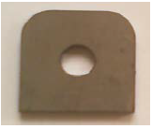
ItemOrder | Process | Use | UnitCost | Unit | Quantity | Multiplier | Mult. Val. | Sub Total
10 | Machining Setup, Install and Remove | Setup for laser cutting | $1.30 | unit | 1 | 2 parts with one machine setup | 0.5 | $0.65
20 | Laser Cut | Cutout shape | $0.01 | cm | 17 | Material - Steel | 3 | $0.51
 |  |  |  |  |  |  | Sub Total | $1.16

dMS 05001
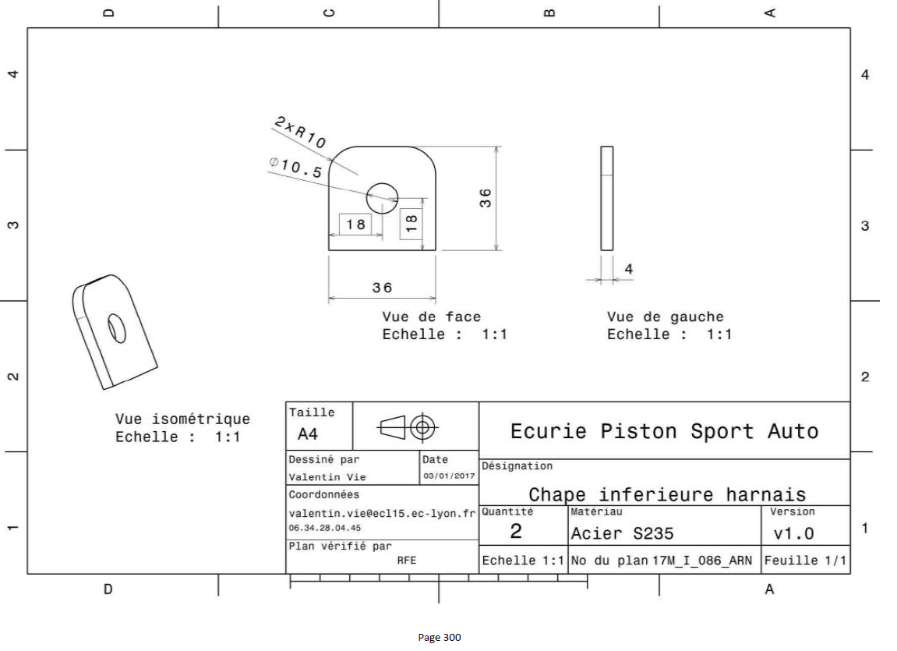
Drawing part : | MS 05001

